Sheet3
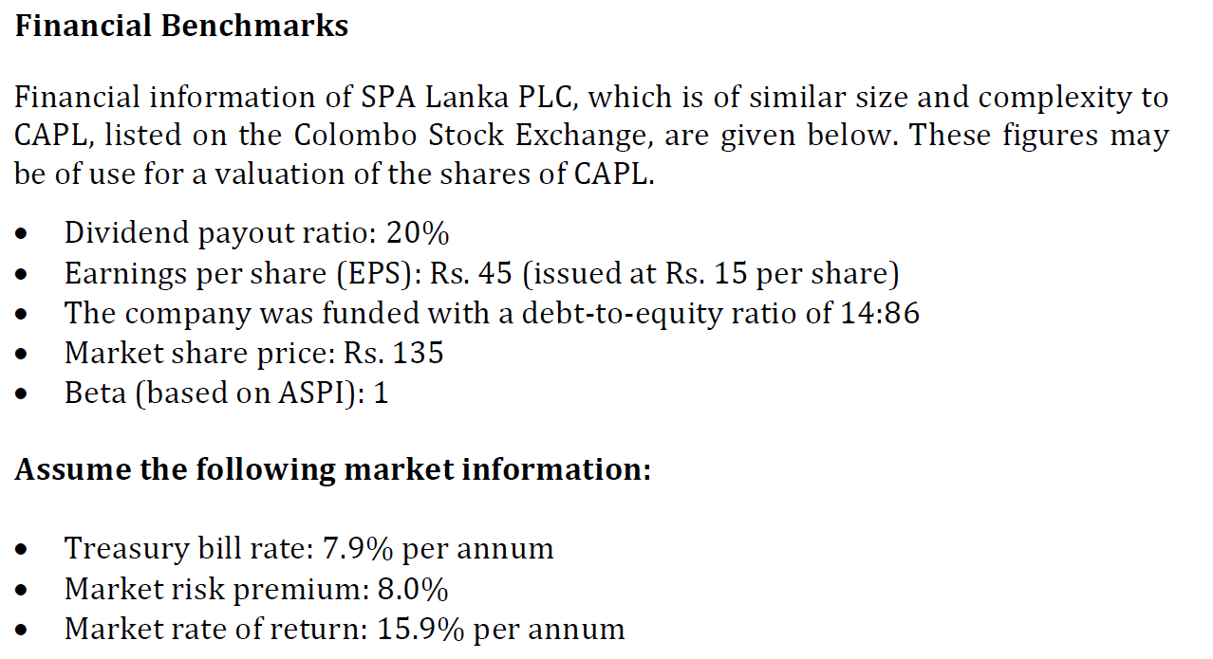

 | Current
 | 2022 | 2023 | 2024 | 2025 | 2026 | 2027
WC | 955 | 995 | 1075 | 1080 | 1092 | 1115
Inflation | 1 | 1.03 | 1.0609 | 1.092727 | 1.12550881 | 1.1592740743
 | 955 | 1024.85 | 1140.4675 | 1180.14516 | 1229.0556205 | 1292.5905928
Add invets |  | 69.85 | 115.62 | 39.68 | 48.91 | 63.53

 |  | 2023 | 2024 | 2025 | 2026 | 2027
 | PBT | (0.50) | 136.20 | 136.00 | 155.00 | 176.00
 |  |  | (0.50)
 |  |  | 135.70 | 136.00 | 155.00 | 176.00
 | Tax 24% |  | 32.57 | 32.64 | 37.20 | 42.24

